No atmosphere
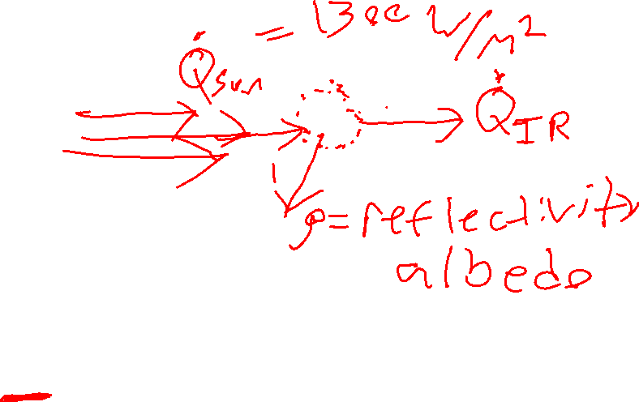
Sun
Earth
** No Atmosphere Energy Balance Model, for show

Input Parameters | Value | Unit
Qsun | 1.21E+17 | W
emissivity | 0.96
Surface Area | 506000000000000 | m^2
Boltzman Const. | 5.67E-08 | W/m^2k^4

Output
Solving for T…
T^4 | 4393195818 | K^4
T | 257.4513304 | K

T in Fahrenheit | 3.74 | Degree F

With Atmosphere
**Atmosphere Energy Balance Model, for show

Sun
Earth
Atmosphere
Input Parameters | Value | Unit
Qsun | 1370 | W/m^2
emissivity | 0.96
Albedo | 0.3
Boltzman Const. | 5.67E-08 | W/m^2k^4

If [CO₂] = 400 ppm, = ~0.64,
CO2 Forcing Function
CO2 initial | 280 | ppm | * Don't change this ever
CO2 now | 410 | ppm | * Alter this to get different temperatures
Forcing function… | 2.040316427 | W/m^2

Calculated Tau | 0.64061115

Output
Solving for T…
T^4 | 6890215900 | K^4
T | 288.1099172 | K

T in Fahrenheit | 58.93 | Degree F

Graph this...
Homework: Complete the table to get temperature output for each CO2 input.
(This uses the atmosphere basic energy model). Compare to the historical record. How well does our model work?
Temperature Output [F]

Historical Carbon Dioxide Concentration
Year | CO2 input [ppm] | Temperature Output [F]
1880 | 290 | 56.98 | <---- Drag this equation down to fill in for all CO2 inputs
1885 | 291 | 57.00
1890 | 293 | 57.03
1895 | 294 | 57.05
1900 | 295 | 57.07
1905 | 297 | 57.09
1910 | 299 | 57.13
1915 | 300 | 57.15
1920 | 301 | 57.17
1925 | 304 | 57.21
1930 | 306 | 57.24
1935 | 306 | 57.25
1940 | 307 | 57.26
1945 | 309 | 57.29
1950 | 311 | 57.33
1955 | 314 | 57.37
1960 | 317 | 57.42
1965 | 320 | 57.48
1970 | 326 | 57.57 |  |  | *** Create a very similar graph here that graphs temperature on the Y axis
1975 | 331 | 57.66
1980 | 339 | 57.78 |  | The two graphs follow a very close line of correlation. But the main difference I notice is the temperature was a little different in comparison to real data. The prediction in the 1800 to the 1980s had temperatures that were about .3 Celsius higher, but eventually, the two graphs blended together and leveled out. But for a excel spredsheet model I think it worked phenominally
1985 | 346 | 57.90
1990 | 354 | 58.03
1995 | 361 | 58.14 |  |  | Compare both graphs to this real data:
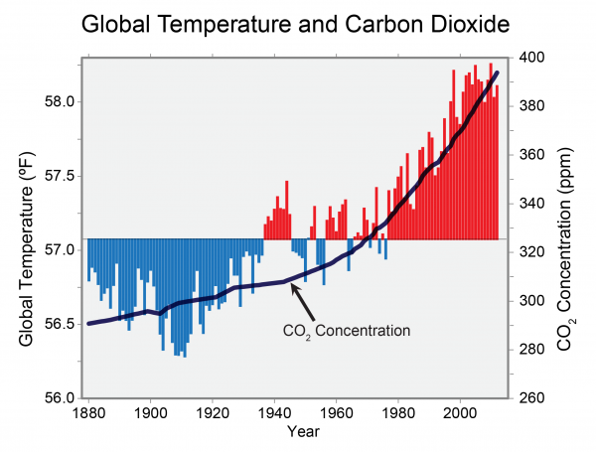
2000 | 370 | 58.28
2005 | 380 | 58.45
2010 | 390 | 58.61
2015 | 400 | 58.77

